Print Page 1
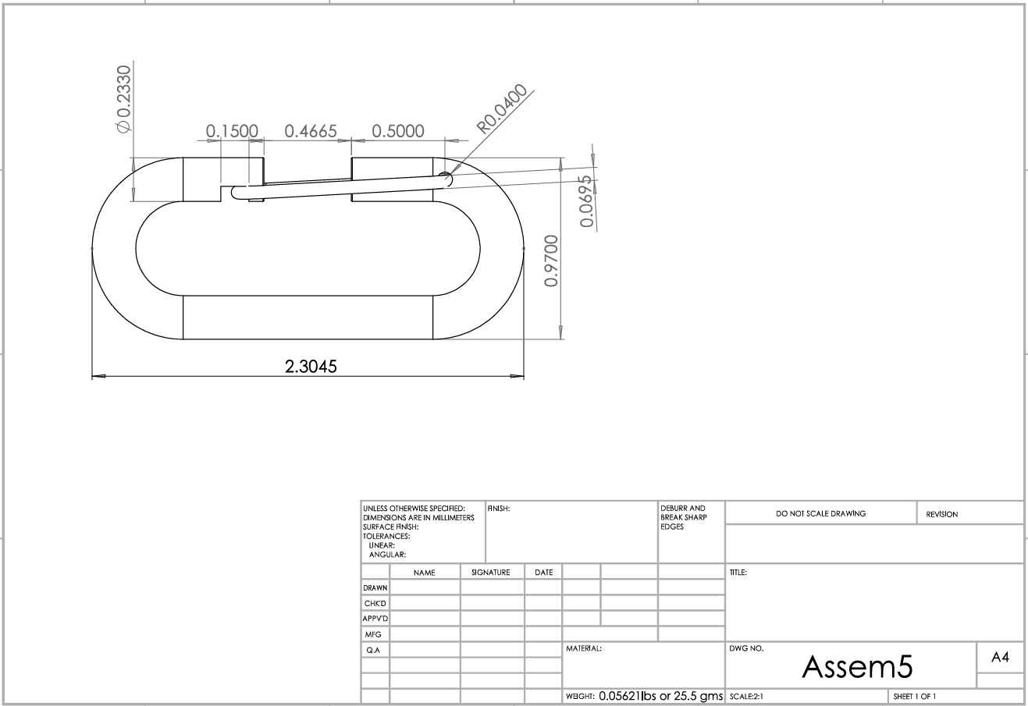

8
5
7
6
4

1

2

3

